AT&T
AT&T INC.
Source

Consolidated Balance Sheets
 | (dollars in millions, except per share amounts)
at December 31 |  | 2025 | 2024 | 2023 |  | 2025 | 2024 | 2023
 | Assets |  |  |  | Liabilities and Equity

 | Current assets |  |  |  | Current liabilities
 | Cash and cash equivalents | $18,234 | $3,298 | $6,722 | Debt maturing within one year | $9,011 | $5,089 | $9,477
 | Accounts receivable – net of related allowance for credit loss of $429 and $375 | 8,843 | 9,638 | 10,289 | Accounts payable and accrued liabilities | 38,514 | 35,657 | 35,852
 | Inventories | 2,420 | 2,270 | 2,177 | Advanced billings and customer deposits | 4,266 | 4,099 | 3,778
 | Prepaid and other current assets | 19,235 | 15,962 | 17,270 | Dividends payable | 1,989 | 2,027 | 2,020
 | Total current assets | $48,732 | $31,168 | $36,458 | Total current liabilities | $53,780 | $46,872 | $51,127

 | Property, plant and equipment - net | 131,559 | 128,871 | 128,489 | Long-term debt | 127,089 | 118,443 | 127,854
 | Goodwill - Net | 63,425 | 63,432 | 67,854 | Noncurrent deferred taxes liabilities | 58,312 | 58,939 | 58,666
 | Licenses - Net | 128,148 | 127,035 | 127,219 | Postemployment benefit obligations | 8,478 | 9,025 | 8,734
 | Other intangible assets, net | 5,254 | 5,255 | 5,283 | Non-current operating lease liabilities | 18,943 | 17,391 | 17,568
 | Investments in and Advances to Equity Affiliates | 1,106 | 295 | 1,251 | Other noncurrent liabilities | 25,104 | 23,900 | 23,696
 | Operating lease right-of-use assets | 22,642 | 20,909 | 20,905 | Total deferred credits and other noncurrent liabilities | $110,837 | $109,255 | $108,664
 | Other assets | 19,332 | 17,830 | 19,601 | Redeemable Noncontrolling Interst | 2,001 | 1,980
 | Total assets | $420,198 | $394,795 | $407,060 | Total Liabilities | $293,707 | $276,550 | $287,645
 |  |  |  |  | Stockholders` Equity
 |  |  |  |  | Preferred stock ($1 par value, 10,000,000 authorized at December 31, 2025 and December 31, 2024): | - | - | -
 |  |  |  |  | Common stock ($1 par value, 14,000,000,000 authorized at December 31, 2025 and December 31, 2024: issued 7,620,748,598 at December 31, 2025 and December 31, 2024) | 7,621 | 7,621 | 7,621
 |  |  |  |  | Additional paid-in capital | 106,533 | 109,108 | $114,519
 |  |  |  |  | Retained earnings | 15,768 | 1,871 | (5,015)
 |  |  |  |  | Treasury stock (583,246,242 at December 31, 2025 and 444,853,148 at December 31, 2024, at cost) | (18,529) | (15,023) | (16,128)
 |  |  |  |  | Accumulated other comprehensive income (loss) | (860) | 795 | $2,300
 |  |  |  |  | Noncontrolling interest | 15,958 | 13,873 | $14,145
 |  |  |  |  | Total stockholders' equity | $126,491 | $118,245 | $117,442
 |  |  |  |  | Total Liabilities and Stockholders' Equity | $420,198 | $394,795 | $407,060

Consolidated Statements of Income |  | (dollars in millions, except per share amounts) |  |  | Consolidated Statements of Cash Flows | (dollars in millions, except per share amounts)
at December 31 |  | 2025 | 2024 | 2023 | at December 31 | 2025 | 2024 | 2023
 | Operating Revenues |  |  |  | Operating Activities
 | Service | $101,158 | $100,135 | $99,649 | Net Income | $23,386 | $12,253 | $15,623
 | Equipment | 24,490 | 22,201 | 22,779 | Adjustments to reconcile net income to net cash provided by
 | Total operating revenues | $125,648 | $122,336 | $122,428 | operating activities:
 |  |  |  |  | Depreciation and amortization | 20,886 | 20,580 | 18,777
 | Operating Expenses |  |  |  | Provision for uncollectible accounts | 2,271 | 1,969 | 1,969
 | Cost of revenues |  |  |  | Asset impairments and abandonments and restructuring | 838 | 5,075 | 1,193
 | Equipment | 25,396 | 22,249 | 23,136 | Pension and postretirement benefit expense (credit) | (1,588) | (1,883) | (2,552)
 | Other cost of revenues (exclusive of depreciation and amortization shown separately below) | 25,424 | 26,972 | 26,987 | Actuarial and settlement (gain) loss on pension and
 | Selling, general and administrative | 28,942 | 28,411 | 28,874 | postretirement benefits - net | 519 | 56 | 1,594
 | Asset impairments and abandonments and restructuring | 838 | 5,075 | 1,193 | Net (gain) loss on investments | (5,889) | 80 | 441
 | Depreciation and amortization | 20,886 | 20,580 | 18,777 | Changes in operating assets and liabilities:
 | Total operating expenses | $101,486 | $103,287 | $98,967 | Receivables | (1,526) | 123 | 82
 |  |  |  |  | Equipment installment receivables and related sales | 324 | (1,846) | (133)
 | Operating Income | $24,162 | $19,049 | $23,461 | Contract asset and cost deferral | (1,208) | 160 | (1,006)
 | Other Income (Expense) Interest expense | (6,804) | (6,759) | (6,704) | Inventories, prepaid and other current assets | (460) | 70 | 747
 | Equity in net income of affiliates | 1,895 | 1,989 | 1,675 | Accounts payable and other accrued liabilities | 884 | (1,104) | (1,574)
 | Other income (expense) - net | 7,754 | 2,419 | 1,416 | Changes in income taxes | 2,226 | 1,978 | 2,618
 | Total other income (expense) | 2,845 | (2,351) | (3,613) | Postretirement claims and contributions | (1,436) | (166) | (735)
 | Income Before Income Taxes | 27,007 | 16,698 | 19,848 | Other - net | 1,057 | 1,426 | 1,270
 | Income tax expense | 3,621 | 4,445 | 4,225 | Total adjustments | 16,898 | 26,518 | 22,691
 |  |  |  |  | Net Cash Provided by Operating Activities | $40,284 | $38,771 | $38,314
 | Net Income | $23,386 | $12,253 | $15,623 | Investing Activities
 | Less: Net Income Attributable to Noncontrolling Interest | (1,433) | (1,305) | (1,223) | Capital expenditures | (20,842) | (20,263) | (17,853)
 | Net Income Attributable to AT&T | $21,953 | $10,948 | $14,400 | Acquisitions, net of cash acquired | (379) | (380) | (2,942)
 |  |  |  |  | Dispositions | 3,218 | 75 | 72
 | Less: Preferred Stock Dividends and Redemption Gain | (64) | (202) | (208) | Distributions from DIRECTV in excess of cumulative equity in
 | Net Income Attributable to Common Stock | $21,889 | $10,746 | $14,192 | earnings | 0 | 928 | 2,049
 |  |  |  |  | (Purchases), sales and settlements of securities - net | 181 | 2,575 | (902)
 | Basic Earnings Per Share Attributable to Common Stock | $3.04 | $1.49 | $1.97 | Other - net | (955) | (425) | (84)

 | Diluted Earnings Per Share Attributable to Common Stock | $3.04 | $1.49 | $1.97 | Net Cash Used in Investing Activities | (18,777) | (17,490) | (19,660)
 |  |  |  |  | Financing Activities
 |  |  |  |  | Net change in short-term borrowings with original maturities of
 |  |  |  |  | three months or less | 0 | 0 | (914)
 |  |  |  |  | Issuance of other short-term borrowings | 0 | 491 | 5,406
 |  |  |  |  | Repayment of other short-term borrowings | 0 | (2,487) | (3,415)
 |  |  |  |  | Issuance of long-term debt | 14,027 | 19 | 10,004
 |  |  |  |  | Repayment of long-term debt | (5,528) | (10,297) | (12,044)
 |  |  |  |  | Note payable to DIRECTV, net of payments | 0 | 0 | (130)
 |  |  |  |  | Payment of vendor financing | (1,181) | (1,792) | (5,742)

 |  |  |  |  | Redemption of preferred stock | (2,075) | 0 | 0
 |  |  |  |  | Purchase of treasury stock | (4,500) | (215) | (194)
 |  |  |  |  | Issuance of treasury stock | 21 | 15 | 3
 |  |  |  |  | Issuance of preferred interests in subsidiary | 2,221 | 0 | 7,151
 |  |  |  |  | Redemption of preferred interests in subsidiary | (65) | 0 | (5,333)
 |  |  |  |  | Dividends paid | (8,180) | (8,208) | (8,136)
 |  |  |  |  | Other - net | (1,126) | (2,234) | (2,270)
 |  |  |  |  | Net Cash Used in Financing Activities | (6,386) | (24,708) | (15,614)

 |  |  |  |  | Net increase (decrease) in cash and cash equivalents and
 |  |  |  |  | restricted cash | 15,121 | (3,427) | 3,040
 |  |  |  |  | Cash and cash equivalents and restricted cash beginning of year | 3,406 | 6,833 | 3,793
 |  |  |  |  | Cash and Cash Equivalents and Restricted Cash End of Year | $18,527 | $3,406 | $6,833

 |  |  |  |  | Free cash flow from operations | $19,442 | $18,508 | $20,461

T-mobile
T-mobile US, Inc.
Source

Consolidated Balance Sheets
 | (dollars in millions, except per share amounts)
at December 31 |  | 2025 | 2024 | 2023 |  | 2025 | 2024 | 2023
 | Assets |  |  |  | Liabilities and Stockholders' Equity

 | Current assets |  |  |  | Current liabilities
 | Cash and cash equivalents | $5,598 | $5,409 | $5,135 | Accounts payable and accrued liabilities | $10,280 | $8,463 | $10,373
 | Accounts receivable, net of allowance for credit losses of $226 and $176 | 4,874 | 4,276 | 4,692 | Short-term debt | 5,135 | 4,068 | 3,619
 | Equipment installment plan receivables, net of allowance for credit losses and imputed discount of $733 and $656 | 4,997 | 4,379 | 4,456 | Deferred revenue | 1,533 | 1,222 | 825
 | Inventory | 2,405 | 1,607 | 1,678 | Short-term operating lease liabilities | 3,814 | 3,281 | 3,555
 | Prepaid expenses | 1,215 | 880 | 702 | Short-term financing lease liabilities | 1,163 | 1,175 | 1,260
 | Other current assets | 5,372 | 1,853 | 2,352 | Other current liabilities | 2,575 | 1,965 | 1,296
 | Total current assets | $24,461 | $18,404 | $19,015 | Total current liabilities | $24,500 | $20,174 | $20,928
 | Property and equipment, net | 38,333 | 38,533 | 40,432 | Long-term debt | 79,649 | 72,700 | 69,903
 | Operating lease right-of-use assets | 25,692 | 25,398 | 27,135 | Long-term debt to affiliates | 1,498 | 1,497 | 1,496
 | Financing lease right-of-use assets | 2,760 | 3,091 | 3,270 | Tower obligations | 3,532 | 3,664 | 3,777
 | Goodwill | 13,678 | 13,005 | 12,234 | Deferred tax liabilities | 19,583 | 16,700 | 13,458
 | Spectrum licenses | 98,032 | 100,558 | 96,707 | Operating lease liabilities | 26,371 | 26,408 | 28,240
 | Other intangible assets, net | 3,843 | 2,512 | 2,618 | Financing lease liabilities | 1,107 | 1,151 | 1,236
 | Equipment installment plan receivables due after one year, net of |  |  |  | Other long-term liabilities | 3,794 | 4,000 | 3,929
 | allowance for credit losses and imputed discount of $213 and $158 | 2,683 | 2,209 | 2,042 | Total long-term liabilities | $135,534 | $126,120 | $122,039
 | Other assets | 9,755 | 4,325 | 4,229 | Total Liabilities | $160,034 | $146,294 | $142,967
 | Total assets | $219,237 | $208,035 | $207,682 | Stockholders' equity
 |  |  |  |  | Common stock, par value $0.00001 per share, 2,000,000,000 shares
 |  |  |  |  | authorized; 1,275,774,235 and 1,271,074,364 shares issued,
 |  |  |  |  | 1,106,930,661 and 1,144,579,681 shares outstanding | - | - | -
 |  |  |  |  | Additional paid-in capital | 69,460 | 68,798 | 67,705
 |  |  |  |  | Treasury stock, at cost, 168,843,574 and 126,494,683 shares | (30,545) | (20,584) | (9,373)
 |  |  |  |  | Accumulated other comprehensive loss | (848) | (857) | (964)
 |  |  |  |  | Retained earnings | 21,136 | 14,384 | 7,347
 |  |  |  |  | Total stockholders' equity | $59,203 | $61,741 | $64,715
 |  |  |  |  | Total liabilities and stockholders' equity | $219,237 | $208,035 | $207,682

Consolidated Statements of Income |  | (dollars in millions, except per share amounts) |  |  | Consolidated Statements of Cash Flows | (dollars in millions, except per share amounts)
at December 31 |  | 2025 | 2024 | 2023 | at December 31 | 2025 | 2024 | 2023
 | Revenues |  |  |  | Operating activities
 | Postpaid revenues | $57,932 | $52,340 | $48,692
 | Prepaid revenues | 10,497 | 10,399 | 9,767 | Net income | $10,992 | $11,339 | $8,317
 | Wholesale and other service revenues | 2,877 | 3,439 | 4,782 | Adjustments to reconcile net income to net cash provided
 | Total service revenues | 71,306 | 66,178 | 63,241 | by operating activities
 | Equipment revenues | 15,972 | 14,263 | 14,138 | Depreciation and amortization | 13,508 | 12,919 | 12,818
 | Other revenues | 1,031 | 959 | 1,179 | Stock-based compensation expense | 829 | 649 | 667
 | Total revenues | $88,309 | $81,400 | $78,558 | Deferred income tax expense | 2,864 | 3,120 | 2,600
 |  |  |  |  | Bad debt expense | 1,370 | 1,192 | 898
 | Operating expenses |  |  |  | Losses from sales of receivables | 58 | 62 | 165
 | Cost of services, exclusive of depreciation and amortization shown separately below | 11,497 | 10,771 | 11,655
 | Cost of equipment sales, exclusive of depreciation and amortization shown separately below | 21,277 | 18,882 | 18,533 | Impairment expense | 278 | - | -
 | Selling, general and administrative | 23,470 | 20,818 | 21,311 | Loss on remeasurement of disposal group held for sale | - | - | 9
 | Gain on disposal group held for sale | - | - | (25) | Changes in operating assets and liabilities
 | Impairment expense | 278 | - | - | Accounts receivable | (755) | (3,088) | (5,038)
 | Depreciation and amortization | 13,508 | 12,919 | 12,818 | Equipment installment plan receivables | (877) | (523) | 170
 | Total operating expenses | $70,030 | $63,390 | $64,292 | Inventory | (615) | 131 | 197
 | Operating income | $18,279 | $18,010 | $14,266 | Operating lease right-of-use assets | 3,635 | 3,480 | 3,721
 | Other expense, net |  |  |  | Other current and long-term assets | (1,488) | (411) | (358)
 | Interest expense, net | (3,774) | (3,411) | (3,335) | Accounts payable and accrued liabilities | 1,542 | (2,041) | (1,126)
 | Other (expense) income, net | (224) | 113 | 68 | Short- and long-term operating lease liabilities | (3,457) | (3,879) | (3,785)
 | Total other expense, net | (3,998) | (3,298) | (3,267) | Other current and long-term liabilities | (379) | (678) | (839)
 | Income before income taxes | 14,281 | 14,712 | 10,999 | Other, net | 445 | 21 | 143
 | Income tax expense | (3,289) | (3,373) | (2,682) | Net cash provided by operating activities | $27,950 | $22,293 | $18,559
 | Net income | $10,992 | $11,339 | $8,317
 |  |  |  |  | Investing activities
 | Net income | $10,992 | $11,339 | $8,317 | Purchases of property and equipment, including capitalized interest of $(43), $(34) and $(104) | (9,955) | (8,840) | (9,801)
 | Other comprehensive income, net of tax |  |  |  | Purchases of spectrum licenses and other intangible
 | Reclassification of loss from cash flow hedges, net of |  |  |  | assets, including deposits | (2,568) | (3,471) | (1,010)
 | tax effect of $65, $60 and $56 | 190 | 176 | 163 | Proceeds from the sale of property, equipment and
 | (Losses) gains on fair value hedges, net of tax effect |  |  |  | intangible assets | 2,168 | 99 | 153
 | of $(64), $5 and $0 | (187) | 16 | - | Proceeds from sales of tower sites | - | - | 12
 | Unrealized (loss) gain on foreign currency translation |  |  |  | Proceeds related to beneficial interests in | - | 3,579 | 4,816
 | adjustment, net of tax effect of $0, $0 and $0 | (1) | - | 9 | securitization transactions
 | Actuarial gain (loss), net of amortization and
 | reclassification, on pension and other postretirement |  |  |  | Acquisition of companies, net of cash acquired | (3,523) | (373) | 0
 | benefits, net of tax effect of $2, $(29) and $(31) | 7 | (85) | (90)
 |  |  |  |  | Investments in unconsolidated affiliates, net | (4,056) | (18) | (7)
 | Other comprehensive income | 9 | 107 | 82 | Other, net | 327 | (48) | 8
 | Total comprehensive income | $11,001 | $11,446 | $8,399
 | Earnings per share |  |  |  | Net cash used in investing activities | (17,607) | (9,072) | (5,829)
 | Basic | $9.75 | $9.70 | $7.02 | Financing activities
 | Diluted | $9.72 | $9.66 | $6.93
 | Weighted-average shares outstanding in millions |  |  |  | Proceeds from issuance of long-term debt, net | 12,010 | 8,587 | 8,446
 | Basic | 1,128 | 1,169 | 1,185 | Repayments of financing lease obligations | (1,252) | (1,367) | (1,227)
 | Diluted | 1,131 | 1,173 | 1,200 | Repayments of long-term debt | (6,199) | (5,073) | (5,051)
 |  |  |  |  | Repurchases of common stock | (9,974) | (11,228) | (13,074)
 |  |  |  |  | Dividends on common stock | (4,121) | (3,300) | (747)
 |  |  |  |  | Tax withholdings on share-based awards | (434) | (269) | (297)
 |  |  |  |  | Other, net | (111) | (165) | (147)

 |  |  |  |  | Net cash used in financing activities | (10,081) | (12,815) | (12,097)
 |  |  |  |  | Effect of exchange rate changes on cash and cash |  | - | -
 |  |  |  |  | equivalents, including restricted cash | 1
 |  |  |  |  | Change in cash and cash equivalents, including
 |  |  |  |  | restricted cash | 263 | 406 | 633
 |  |  |  |  | Cash and cash equivalents, including restricted cash
 |  |  |  |  | Beginning of period | 5,713 | 5,307 | 4,674
 |  |  |  |  | End of period | $5,976 | $5,713 | $5,307

 |  |  |  |  | Free cash flow from operations | $17,995 | $13,453 | $8,758

Verizon Com
Verizon Communications Inc. and Subsidiaries
Source

Consolidated Balance Sheets
 | (dollars in millions, except per share amounts)
at December 31 |  | 2025 | 2024 | 2023 |  | 2025 | 2024 | 2023
 | Assets |  |  |  | Liabilities and Equity

 | Current assets |  |  |  | Current liabilities
 | Cash and cash equivalents | $19,048 | $4,194 | $2,065 | Debt maturing within one year | $18,618 | $22,633 | $12,973
 | Accounts receivable | 28,347 | 27,261 | 26,102 | Accounts payable and accrued liabilities | 24,981 | 23,374 | 23,453

 | Less Allowance for credit losses | (1,250) | (1,152) | (1,017) | Current operating lease liabilities | 4,542 | 4,415 | 4,266
 | Accounts receivable, net | 27,097 | 26,109 | 25,085 | Other current liabilities | 14,229 | 14,349 | 12,531
 | Inventories | 2,441 | 2,247 | 2,057 | Total current liabilities | $62,370 | $64,771 | $53,223
 | Prepaid expenses and other | 8,336 | 7,973 | 7,607
 | Total current assets | $56,922 | $40,523 | $36,814 | Long-term debt | 139,532 | 121,381 | 137,701
 |  |  |  |  | Employee benefit obligations | 11,099 | 11,997 | 13,189
 | Property, plant and equipment | 337,991 | 331,406 | 320,108 | Deferred income taxes | 48,717 | 46,732 | 45,781
 | Less Accumulated depreciation | 228,524 | 222,884 | 211,798 | Non-current operating lease liabilities | 18,951 | 19,928 | 20,002
 | Property, plant and equipment, net | 109,467 | 108,522 | 108,310 | Other liabilities | 17,848 | 19,327 | 16,560
 |  |  |  |  | Total long-term liabilities | $236,147 | $219,365 | $233,233
 | Investments in unconsolidated businesses | 785 | 842 | 953
 | Wireless licenses | 157,039 | 156,613 | 155,667 | Equity
 | Goodwill | 22,841 | 22,841 | 22,843 | Series preferred stock ($0.10 par value; 250,000,000 shares authorized; none issued) | - | - | -
 | Other intangible assets, net | 10,458 | 11,129 | 11,057 | Common stock ($0.10 par value; 6,250,000,000 shares authorized in each period; 4,291,433,646 shares issued in each period) | 429 | 429 | 429
 | Operating lease right-of-use assets | 23,498 | 24,472 | 24,726 | Additional paid in capital | 13,372 | 13,466 | 13,631
 | Other assets | 23,248 | 19,769 | 19,885 | Retained earnings | 94,744 | 89,110 | 82,915
 | Total assets | $404,258 | $384,711 | $380,255 | Accumulated other comprehensive loss | (1,727) | (923) | (1,380)
 |  |  |  |  | Common stock in treasury, at cost | (3,255) | (3,583) | (3,821)
 |  |  |  |  | Deferred compensation – ESOPs and other | 897 | 738 | 656
 |  |  |  |  | Noncontrolling interests | 1,281 | 1,338 | 1,369
 |  |  |  |  | Total equity | $105,741 | $100,575 | $93,799
 |  |  |  |  | Total liabilities and equity | $404,258 | $384,711 | $380,255

Consolidated Statements of Income |  | (dollars in millions, except per share amounts) |  |  | Consolidated Statements of Cash Flows
at December 31 |  | 2025 | 2024 | 2023 | at December 31 | 2025 | 2024 | 2023
 | Operating Revenues |  |  |  | Cash Flows from Operating Activities
 | Service revenues and other | 112,721 | 111,571 | 109,652 | Net Income | $17,608 | $17,949 | $12,095
 | Wireless equipment revenues | 25,470 | 23,217 | 24,322 | Adjustments to reconcile net income to net cash provided by operating activities:
 | Total Operating Revenues | $138,191 | $134,788 | $133,974 | Depreciation and amortization expense | 18,349 | 17,892 | 17,624
 |  |  |  |  | Employee retirement benefits | 1,025 | (52) | 1,206
 | Operating Expenses |  |  |  | Deferred income taxes | 2,340 | 815 | 2,388
 | Cost of services (exclusive of items shown below) | 27,789 | 27,997 | 28,100 | Provision for expected credit losses | 2,349 | 2,338 | 2,214
 | Cost of wireless equipment | 28,976 | 26,100 | 26,787 | Equity in losses of unconsolidated businesses | 42 | 75 | 84
 | Selling, general and administrative expense | 33,818 | 34,113 | 32,745 | Verizon Business Group goodwill impairment | - | - | 5,841
 | Depreciation and amortization expense | 18,349 | 17,892 | 17,624 | Changes in current assets and liabilities, net of effects from acquisition/disposition of businesses:
 | Verizon Business Group goodwill impairment | - | - | 5,841 | Accounts receivable | (2,513) | (2,565) | (2,198)
 | Total Operating Expenses | $108,932 | $106,102 | $111,097 | Inventories | (232) | (196) | 287
 |  |  |  |  | Prepaid expenses and other | (1,394) | (626) | (435)
 | Operating Income | 29,259 | 28,686 | 22,877 | Accounts payable and accrued liabilities | 1,819 | 1,109 | 2,079
 | Equity in earnings (losses) of unconsolidated businesses | - | (53) | (53) | Other, net | (2,256) | 173 | (3,710)
 | Other income (expense), net | 107 | 995 | (313) | Net cash provided by operating activities | $37,137 | $36,912 | $37,475
 | Interest expense | (6,694) | (6,649) | (5,524)
 | Income Before Provision For Income Taxes | 22,672 | 22,979 | 16,987 | Cash Flows from Investing Activities
 | Provision for income taxes | (5,064) | (5,030) | (4,892) | Capital expenditures | (17,011) | (17,090) | (18,767)
 | Net Income | $17,608 | $17,949 | $12,095 | Acquisitions of businesses, net of cash acquired | 0 | 0 | (30)
 |  |  |  |  | Acquisitions of wireless licenses | (450) | (900) | (5,796)
 | Net income attributable to noncontrolling interests | 434 | 443 | 481 | Other, net | 801 | (684) | 1,161
 | Net income attributable to Verizon | 17,174 | 17,506 | 11,614 | Net cash used in investing activities | (16,660) | (18,674) | (23,432)
 | Net Income (Total) | $17,608 | $17,949 | $12,095
 |  |  |  |  | Cash Flows from Financing Activities
only current shares | Basic Earnings Per Common Share |  |  |  | Proceeds from long-term borrowings | 18,268 | 3,146 | 2,018
 | Net income attributable to Verizon | $4.06 | $4.15 | $2.76 | Proceeds from asset-backed borrowings | 9,338 | 12,422 | 6,594
 | Weighted-average shares outstanding (in millions) | 4,226 | 4,218 | 4,211 | Repayments of long-term borrowings | (11,352) | (11,854) | (6,181)
 |  |  |  |  | Repayments of asset-backed borrowings | (8,437) | (8,490) | (4,443)
all and possible future shares | Diluted Earnings Per Common Share |  |  |  | Dividends paid | (11,481) | (11,249) | (11,025)
 | Net income attributable to Verizon | $4.06 | $4.14 | $2.75 | Other, net | (1,949) | (1,075) | (1,620)
 | Weighted-average shares outstanding (in millions) | 4,231 | 4,223 | 4,215 | Net cash used in financing activities | (5,613) | (17,100) | (14,657)

 |  |  |  |  | Increase (decrease) in cash, cash equivalents and restricted cash | 14,864 | 1,138 | (614)
 |  |  |  |  | Cash, cash equivalents and restricted cash, beginning of period | 4,635 | 3,497 | 4,111
 |  |  |  |  | Cash, cash equivalents and restricted cash, end of period (Note 1) | $19,499 | $4,635 | $3,497

 |  |  |  |  | Free cash flow from operations | $20,126 | $19,822 | $18,708

Financial Ratios Dashboard
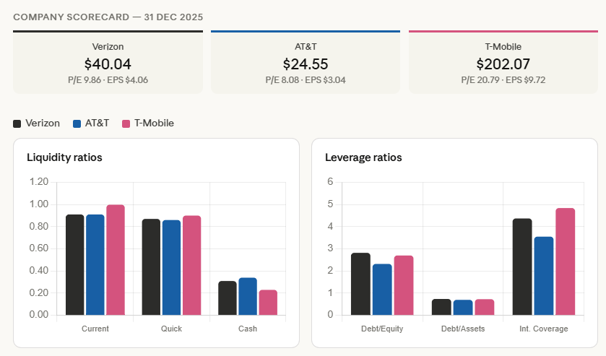

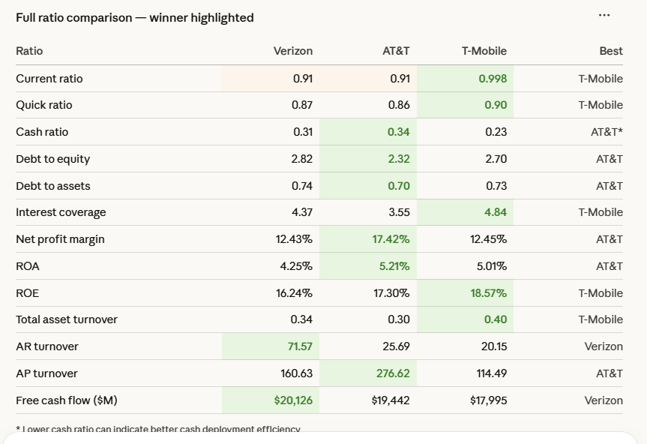

WACC - Verizon
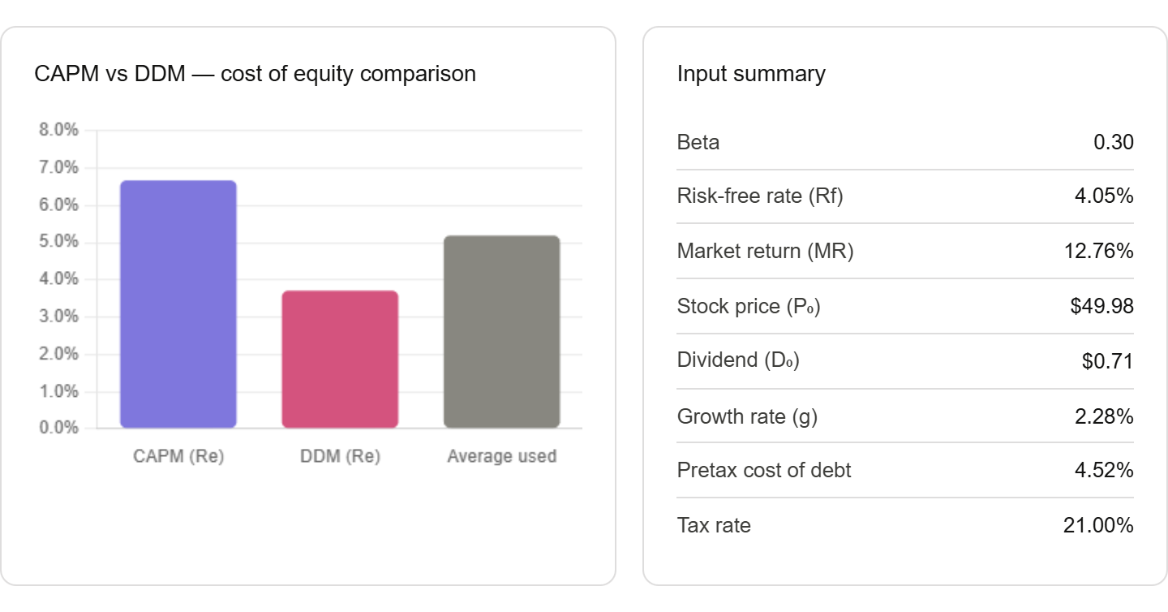
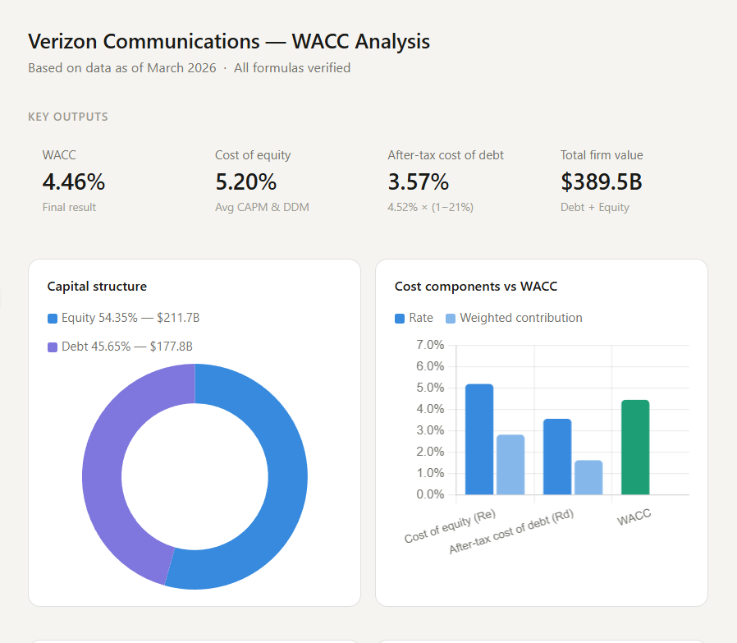
RAVSHANBEK MAMASAIDOV

Verizon Communications Inc. and Subsidiaries
Inputs | Value | Description | Source
Beta | 0.30 | estimated using past 5 year price data | Stock Quote Link
Risk Free Rate (Rf) | 4.05% | U.S. 10-year Treasury Yield (as of 03/02/2026) | Risk Free Rate Link
Market Return (MR) | 12.76% | estimated using past 5 year S&P annual return from macrotrends.net | Macrotrends
Stock price (P0) | $49.98 | Price as of 03/01/2026 from Finance Yahoo | Stock Quote Link
Growth rate (g) | 2.28% | estimated using past 5 year dividends
Dividend | $0.71 | Most recent dividend for Verizon (D0) | Verizon official website

CAPM (Re) | 6.68% | Cost of equity using CAPM: Rf + Beta*(MR - Rf)
DDM (Re) | 3.73% | Cost of equity using DDM: RE=D0*(1+g)/P0 + g
Shares outstanding: | $4,236,000,000 | Total number of shares, from Finance Yahoo as of 1 March 2026 | Macrotrends

Total Market Value of Equity | $211,715,280,000 | Total Market Value of Equity
Cost of Equity | 5.20% | cost of equity taken from average of CAPM and DDM

Pretax Cost of Debt | 4.52%
Tax Rate | 21.00% | Corporate Tax Rate
Aftertax Cost of Debt | 3.57%
Total Market Value of Debt | $177,789,842,930

Weight of Debt | 45.65% | MV of Debt / (MV of Debt + MV of Equity)
Weight of Equity | 54.35% | MV of Equity / (MV of Debt + MV of Equity)
WACC | 4.46% | (Cost of Equity*Weight of Equity)+(Cost of Debt*(1-Tax Rate)*Weight of Debt)

Beta
Beta was estimated using five years of adjusted closing prices from Yahoo Finance. Returns were calculated for both the stock and the S&P 500, and the relationship between them was analyzed in Excel to measure the stock’s sensitivity to market movements.

$β_{i}= \frac{Cov(R_{i},R_{m})}{Var(R_{m})}$.
Date | Verizon | Return cost | S&P 500 | Return cost
03/01/2021 | $42.81 |  | $3,972.89
04/01/2021 | $42.55 | -0.61% | $4,181.17 | 5.24% | Cov(RCOST,RSP) | 0.0005618
05/01/2021 | $42.04 | -1.20% | $4,204.11 | 0.55%
06/01/2021 | $41.70 | -0.81% | $4,297.50 | 2.22%
07/01/2021 | $41.51 | -0.46% | $4,395.26 | 2.27% | Var(RSP) | 0.0018615917714
08/01/2021 | $41.39 | -0.29% | $4,522.68 | 2.90%
09/01/2021 | $40.65 | -1.79% | $4,307.54 | -4.76%
10/01/2021 | $39.88 | -1.89% | $4,605.38 | 6.91% | βCOST | 0.301759
11/01/2021 | $38.28 | -4.01% | $4,567.00 | -0.83%
12/01/2021 | $39.57 | 3.37% | $4,766.18 | 4.36%
01/01/2022 | $40.53 | 2.43% | $4,515.55 | -5.26%
02/01/2022 | $41.36 | 2.05% | $4,373.94 | -3.14%
03/01/2022 | $39.26 | -5.08% | $4,530.41 | 3.58%
04/01/2022 | $35.68 | -9.12% | $4,131.93 | -8.80%
05/01/2022 | $40.01 | 12.14% | $4,132.15 | 0.01%
06/01/2022 | $39.59 | -1.05% | $3,785.38 | -8.39%
07/01/2022 | $36.03 | -8.99% | $4,130.29 | 9.11%
08/01/2022 | $33.02 | -8.35% | $3,955.00 | -4.24%
09/01/2022 | $29.99 | -9.18% | $3,585.62 | -9.34%
10/01/2022 | $29.52 | -1.57% | $3,871.98 | 7.99%
11/01/2022 | $31.31 | 6.06% | $4,080.11 | 5.38%
12/01/2022 | $31.65 | 1.09% | $3,839.50 | -5.90%
01/01/2023 | $33.39 | 5.50% | $4,076.60 | 6.18%
02/01/2023 | $31.66 | -5.18% | $3,970.15 | -2.61%
03/01/2023 | $31.73 | 0.22% | $4,109.31 | 3.51%
04/01/2023 | $31.68 | -0.16% | $4,169.48 | 1.46%
05/01/2023 | $29.55 | -6.72% | $4,179.83 | 0.25%
06/01/2023 | $30.84 | 4.37% | $4,450.38 | 6.47%
07/01/2023 | $28.26 | -8.37% | $4,588.96 | 3.11%
08/01/2023 | $29.53 | 4.49% | $4,507.66 | -1.77%
09/01/2023 | $27.36 | -7.35% | $4,288.05 | -4.87%
10/01/2023 | $29.66 | 8.41% | $4,193.80 | -2.20%
11/01/2023 | $33.05 | 11.43% | $4,567.80 | 8.92%
12/01/2023 | $32.50 | -1.66% | $4,769.83 | 4.42%
01/01/2024 | $36.51 | 12.34% | $4,845.65 | 1.59%
02/01/2024 | $35.09 | -3.89% | $5,096.27 | 5.17%
03/01/2024 | $36.79 | 4.84% | $5,254.35 | 3.10%
04/01/2024 | $34.62 | -5.90% | $5,035.69 | -4.16%
05/01/2024 | $36.66 | 5.89% | $5,277.51 | 4.80%
06/01/2024 | $36.74 | 0.22% | $5,460.48 | 3.47%
07/01/2024 | $36.10 | -1.74% | $5,522.30 | 1.13%
08/01/2024 | $37.83 | 4.79% | $5,648.40 | 2.28%
09/01/2024 | $40.67 | 7.51% | $5,762.48 | 2.02%
10/01/2024 | $38.15 | -6.20% | $5,705.45 | -0.99%
11/01/2024 | $40.78 | 6.89% | $6,032.38 | 5.73%
12/01/2024 | $36.78 | -9.81% | $5,881.63 | -2.50%
01/01/2025 | $36.22 | -1.52% | $6,040.53 | 2.70%
02/01/2025 | $40.34 | 11.37% | $5,954.50 | -1.42%
03/01/2025 | $42.45 | 5.23% | $5,611.85 | -5.75%
04/01/2025 | $41.24 | -2.85% | $5,569.06 | -0.76%
05/01/2025 | $41.80 | 1.36% | $5,911.69 | 6.15%
06/01/2025 | $41.15 | -1.56% | $6,204.95 | 4.96%
07/01/2025 | $40.66 | -1.19% | $6,339.39 | 2.17%
08/01/2025 | $42.74 | 5.12% | $6,460.26 | 1.91%
09/01/2025 | $42.47 | -0.63% | $6,688.46 | 3.53%
10/01/2025 | $38.40 | -9.58% | $6,840.20 | 2.27%
11/01/2025 | $40.41 | 5.23% | $6,849.09 | 0.13%
12/01/2025 | $40.04 | -0.92% | $6,845.50 | -0.05%
01/01/2026 | $43.76 | 9.29% | $6,939.03 | 1.37%
02/01/2026 | $50.14 | 14.58% | $6,878.88 | -0.87%
03/01/2026 | $49.98 | -0.32% | $6,716.09 | -2.37%

Cost of Debt
Verizon`s Cost of Debt
To find the cost of debt, we need the current YTM of the company's bonds, the bond price, and the book value of the bonds. The YTM and price are found on the FINRA bond website, while the book value is found in the company's 10-K or 10-Q. While the SEC website has the most recent electronic filing, the hyperlink below still requires the user to find the most recent report and look up the information.
FINRA bond quote
SEC EDGAR database

The Market-Based Method (Preferred)
Bond price and yield information for Verizon from FINRA.org
7 Notes/Bonds taken with various maturities "<5, 5-10, and >10" years

 | Symbol | Issuer Name | Coupon rate | Maturity Date | Maturity | Latest Sale Price | Sale Yield
 | VZ4388863 | VERIZON COMMUNICATIONS INC | 2.625 | 2026-08-15 | <5 years | $97.90 | 4.28
 | VZ4648231 | VERIZON COMMUNICATIONS INC | 4.329 | 2028-09-21 | <5 years | $116.59 | 2.19
 | VZ4804253 | VERIZON COMMUNICATIONS INC | 4.016 | 2029-12-03 | <5 years | $94.46 | 5.32
 | VZ4632280 | VERIZON COMMUNICATIONS INC | 4.05 | 2030-05-15 | <5 years | $100.56 | 0.94
 | VZ5252608 | VERIZON COMMUNICATIONS INC | 2.355 | 2032-03-15 | 5-10 years | $87.62 | 4.71
 | VZ4106368 | VERIZON COMMUNICATIONS INC | 5.05 | 2034-03-15 | 5-10 years | $101.25 | 4.85
 | VZ.RX | VERIZON COMMUNICATIONS INC | 8.95 | 2039-03-01 | >10 years | $132.11 | 5.45

Bond book value from Verizon 10Q on sec.gov
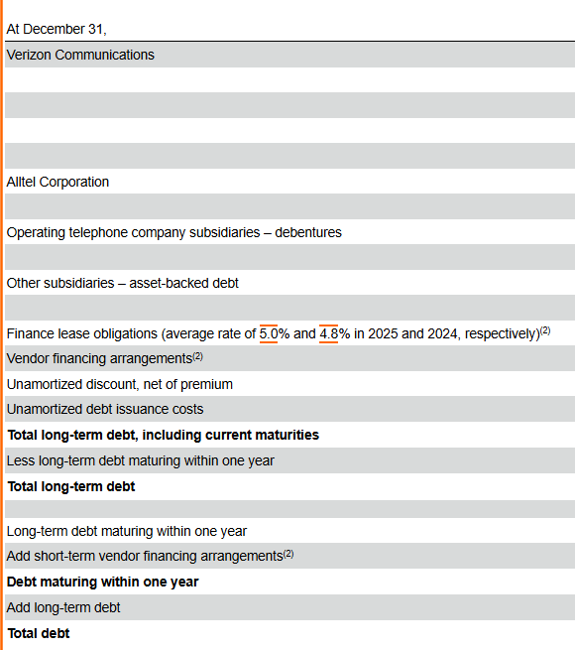
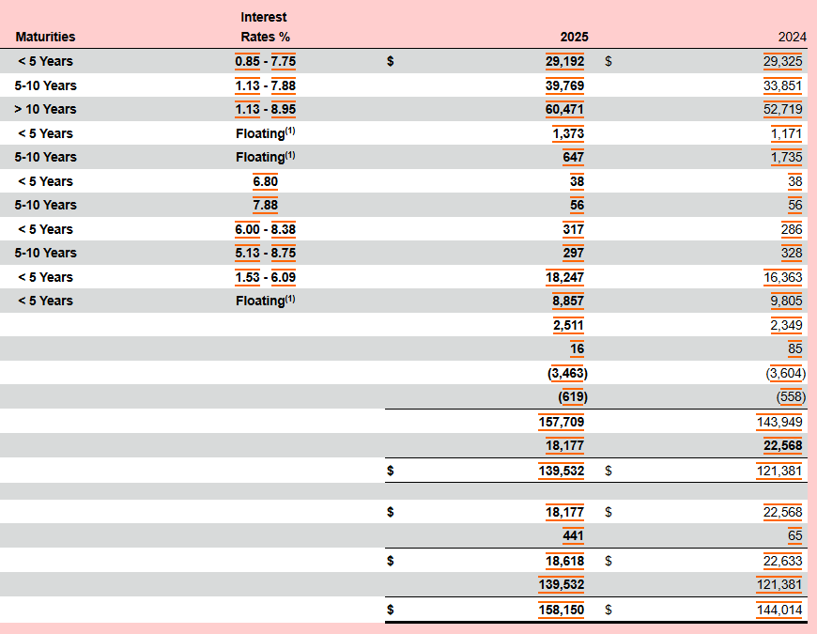

 |  |  |  |  |  |  |  |  | Total bonds <5 years debt | $58,024,000,000
 |  |  |  |  |  |  |  |  | Total bonds 5-10 years debt | $40,769,000,000
 |  |  |  |  |  |  |  |  | Total bonds >10years debt | $60,471,000,000

 | Maturity | Maturity date | YTM | Quoted Price | Book Value | Market Value | Market Value Weight | Weight×YTM
 | <5 years | 2026 | 4.28% | $97.90 | $14,506,000,000 | $14,200,793,760 | 0.0799 | 0.342%
 | <5 years | 2028 | 2.19% | $116.59 | $14,506,000,000 | $16,911,965,160 | 0.0951 | 0.208%
 | <5 years | 2029 | 5.32% | $94.46 | $14,506,000,000 | $13,702,657,720 | 0.0771 | 0.410%
 | <5 years | 2030 | 0.94% | $100.56 | $14,506,000,000 | $14,586,798,420 | 0.0820 | 0.077%
 | 5-10 years | 2032 | 4.71% | $87.62 | $20,384,500,000 | $17,860,898,900 | 0.1005 | 0.473%
 | 5-10 years | 2034 | 4.85% | $101.25 | $20,384,500,000 | $20,638,490,870 | 0.1161 | 0.563%
 | >10 years | 2039 | 5.45% | $132.11 | $60,471,000,000 | $79,888,238,100 | 0.4493 | 2.449%

 |  |  | Total market value = |  | $177,789,842,930 | Cost of debt before tax = | 4.522%

 | Tax rate: |  | 21%
 | Aftertax cost of debt: |  | 3.573%

 | Verizon's Cost of Preferred Stock
 | By reading through Verizon's most recent 10-Q, Verizon has no preferred stock shares outstanding

